Sheet1
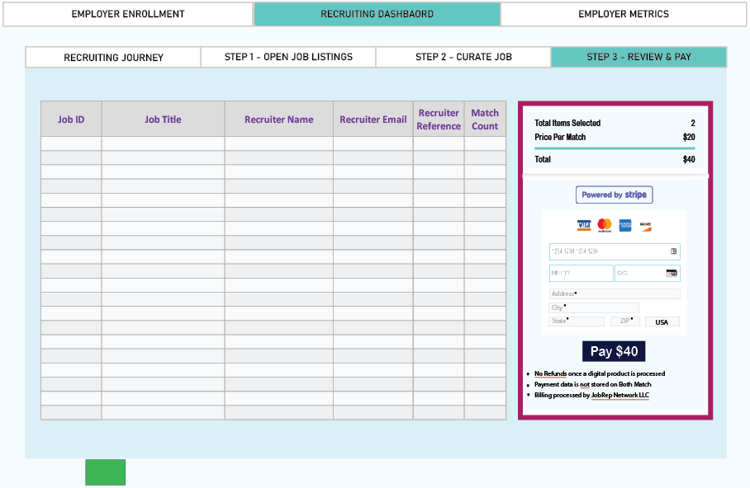
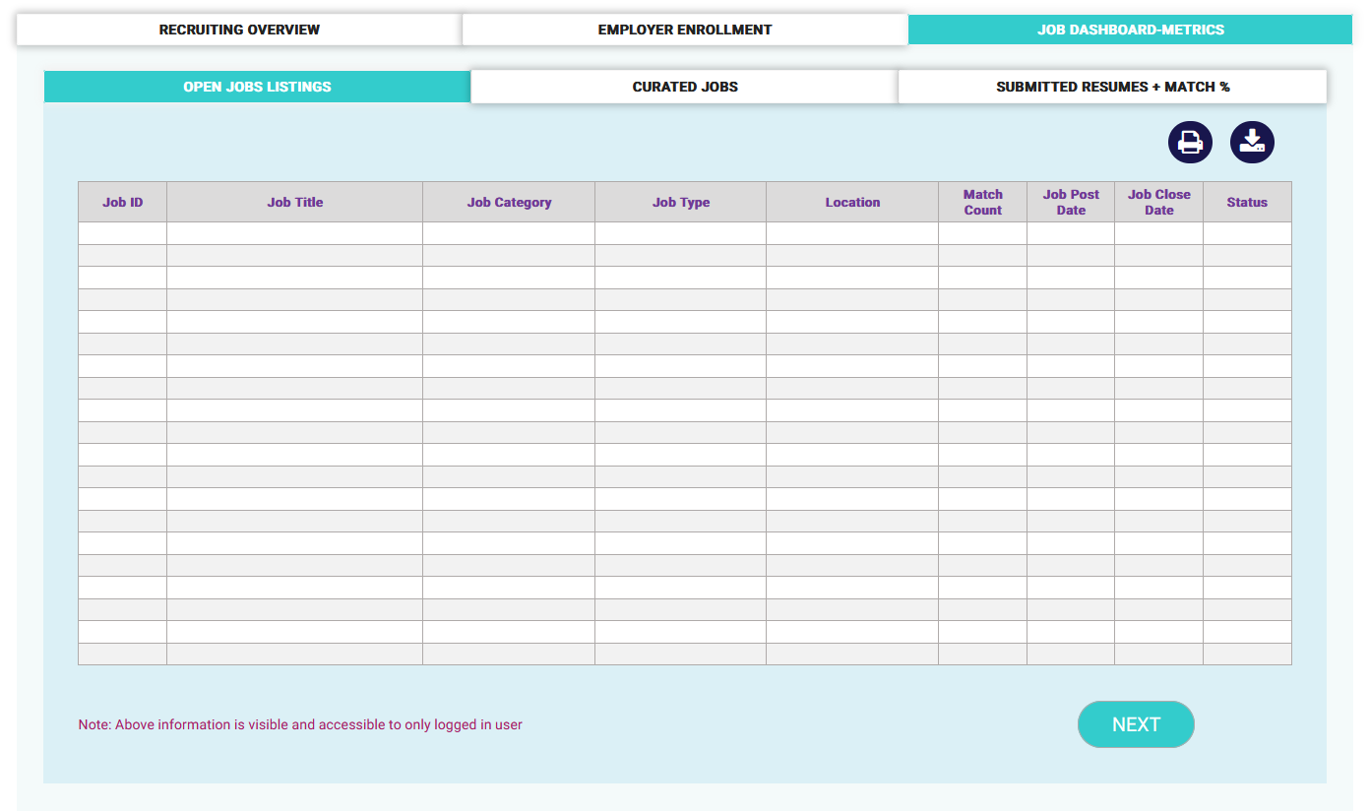
Job ID | Job Title | Job Category | Job Type | Location | Match Count | Job Post Date | Job Close Date | Recruiter Reference | Curate Date | Job ID | Job Title | Recruiter Name | Recruiter Email | Recruiter Reference | Match Count | Job ID | Job Title | Job Category | Job Type | Location | Recruiter Name | Recruiter Reference | Job Post Date | Job Close Date | Match Count | Curate Date
uniq_id | job_title |  |  | city |  | post_date | valid_through

 |  |  |  |  |  |  |  |  |  |  | Recruting Dashboard |  |  |  |  |  | Employer
 | Recruting Dashboard |  |  |  |  |  |  |  |  |  | Step 3- Payment |  |  |  |  |  | Home Flow
 | Step 1- Select Job |  |  |  |  |  |  |  |  |  | New Section |  |  |  |  |  | Similar to
 | Add Recruiter Reference ??

